Sheet1


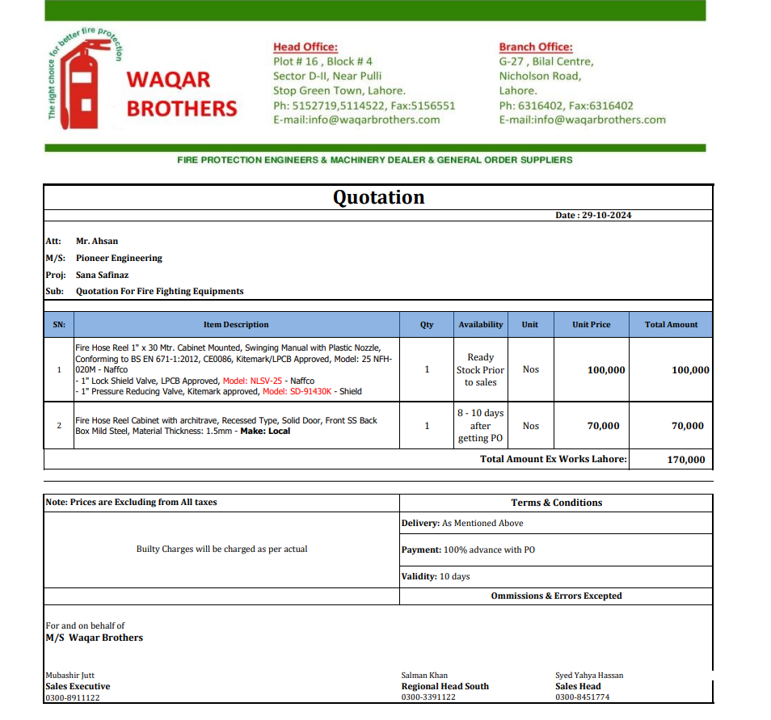

M/S Waqar Brothers |  |  |  |  | 1-Nov-24
Att: Mr. Salman

PO # 125
Purchase Order

Supply of Fire cabinets and Fire hose Reel - Sana Safinaz Dolmen Mall Lahore

S No. | D e s c r i p t i o n | Qty | Unit | Rate | Amount
1 | Fire Hose Reel 1" x 30 Mtr. Cabinet Mounted, Swinging Manual with Plastic Nozzle, Conforming to BS EN 671-1:2012, CE0086, Kitemark/LPCB Approved, Model: 25 NFH 020M - Naffco - 1" Lock Shield Valve, LPCB Approved, Model: NLSV-25 - Naffco - 1" Pressure Reducing Valve, Kitemark approved, Model: SD-91430K - Shield | 1 | Nos | 100,000 | 100,000 | 2,577 | 3,015
2 | Fire Hose Reel Cabinet with architrave, Recessed Type, Solid Door, Front SS Back Box Mild Steel, Material Thickness: 1.5mm - Make: Local | 1 | Nos | 70,000 | 70,000
Total |  |  |  |  | 170,000 |  | -

for Pioneer Engineering Services

 |  |  |  |  |  |  | -
 |  |  |  |  |  |  | -
 |  |  |  |  |  |  | -
 |  |  |  |  |  |  | -
M. BILAL HABIB |  |  |  |  |  |  | -
 |  |  |  |  |  |  | -
 |  |  |  |  |  |  | -
 |  |  |  |  |  |  | -
 |  |  |  |  |  |  | -
 |  |  |  |  |  |  | -
 |  |  |  |  |  |  | -
 |  |  |  |  |  |  | -
 |  |  |  |  |  |  | -
 |  |  |  |  |  |  | -

